Texas Notes
Texas numbers for the Mexico DC-ties come from the source in the About tab.
These numbers are reproduced in the table below, where the red numbers are outside of the ERCOT territory

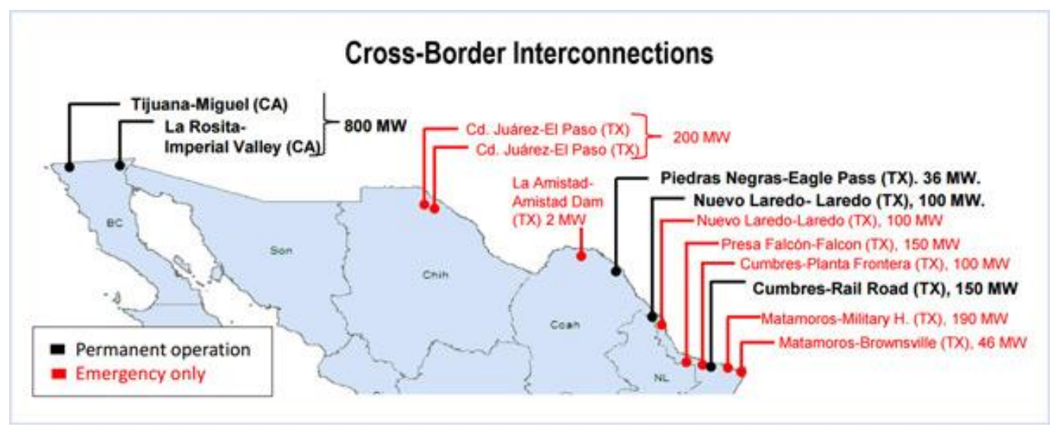
Mexico
Utility / Area | MW
Southern California Edison | 800
El Paso Electric Co | 200
American Electric Power Texas | 36
Laredo, TX | 100
Sharyland Utilities LP | 150
Total DC-Ties from ERCOT to Mexico | 286

Here's a 2016 ERCOT source that confirms the three ERCOT DC-ties
http://www.ercot.com/content/wcm/lists/161158/ERCOT_Fundamentals_Manual.pdf

Here's a 2018 report that adds a bit more detail
https://www.eba-net.org/assets/1/6/Colorado_FINAL.pdf
See figure 1: (copied from a 2016 source: Robert Mullin, Mexico’s Grid Operator to Explore Participation in EIM fig. 1, RTO INSIDER (Oct. 18, 2016), https://www.rtoinsider.com/mexico-cenace-caiso-eim-33082.
This source suggests that the El Paso connection is for emergency use only
so we will exclude it here.

ERCOT also has DC-ties with Oklahoma and Arkanas:

Name | Capacity | Source
Oklaunion (Oklahoma) | 220 | https://new.abb.com/systems/hvdc/references/oklaunion
Monticello (Arkansas) | 600 | https://www.spp.org/documents/59860/ercot-spp%20coordination%20plan_20190426.pdf

Total DC-Ties from ERCOT to Mexico, Oklahoma, Arkansas | 1106

